SNR
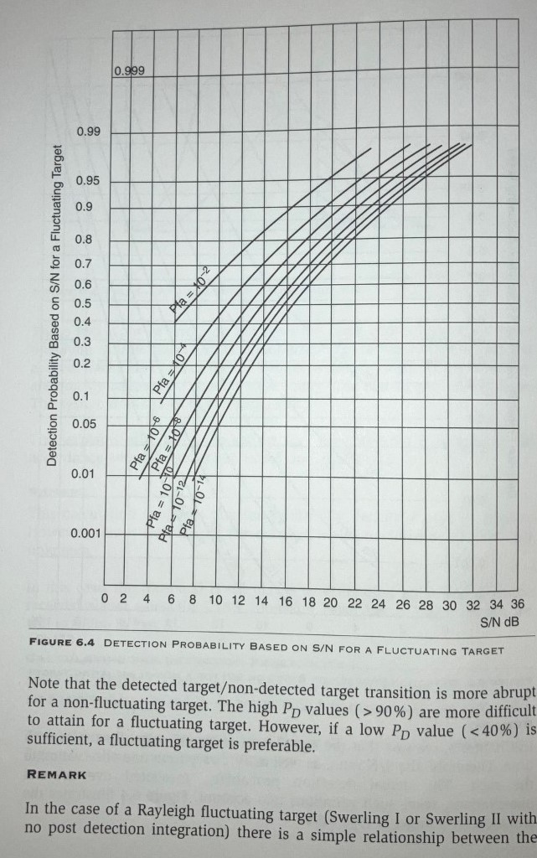
SNR for single PRF Burst (dB)
Prob. False Alarm: | 10^-6 |  | 10^-7 |  | 10^-8
Swerling Case (Target Type): | 0 (stationary) | 1 (moving) | 0 (stationary) | 1 (moving) | 0 (stationary) | 1 (moving)
0.000 |  | 1.50
0.010 |  | 3.20
0.013 |  | 3.80
0.025 |  | 4.35
0.038 |  | 4.95
0.050 |  | 5.50
0.075 |  | 6.25
0.088 |  | 6.63
0.100 |  | 7.00
0.125 |  | 7.50
0.150 |  | 7.90
0.175 |  | 8.40
0.200 |  | 8.80
0.225 |  | 9.10
0.250 |  | 9.40
0.275 |  | 9.70
0.288 |  | 9.88
0.300 |  | 10.05
0.325 |  | 10.38
0.350 |  | 10.75
0.363 |  | 10.94
0.375 |  | 11.13
0.388 |  | 11.32
0.400 |  | 11.50
0.425 |  | 11.83
0.438 |  | 11.99
0.450 |  | 12.15
0.475 |  | 12.48
0.481 |  | 12.56
0.488 |  | 12.64
0.500 | 11.2 | 12.80 | 11.9 | 13.5 | 12.5 | 14.0
0.525 |  | 13.11
0.550 |  | 13.43
0.575 |  | 13.75
0.600 |  | 14.05
0.613 |  | 14.25
0.625 |  | 14.45
0.650 |  | 14.85
0.675 |  | 15.30
0.700 |  | 15.70
0.725 |  | 16.15
0.750 |  | 16.60
0.775 |  | 17.05
0.800 |  | 17.60
0.825 |  | 18.40
0.838 |  | 18.85
0.850 | 12.8 | 19.30 | 13.4 | 20.0 | 13.9 | 20.5
0.860 |  | 19.75
0.875 |  | 20.35
0.888 |  | 20.90
0.900 | 13.2 | 21.40 | 13.8 | 22.0 | 14.2 | 22.4
0.905 |  | 21.65
0.910 |  | 21.85
0.913 |  | 22.00
0.920 |  | 22.40
0.925 |  | 22.70
0.930 |  | 22.95
0.938 |  | 23.35
0.940 |  | 23.45
0.950 |  | 24.15
0.955 |  | 24.80
0.960 |  | 25.75
0.965 |  | 26.63
0.970 |  | 27.50
0.975 |  | 28.63
0.980 |  | 29.75
0.985 |  | 30.88
0.990 |  | 32.00
0.995 |  | 34.00
0.999 |  | 38.00
 |  | Typical A/A

 |  |  |  |  | Duty Cycle = | 3 | %
SNR for Cumliative Detection Probability (single scan) using Binomial Distributions
Swerling Case 1 | # of detections required / # of CPIs (FMR stages or PRFs)
10^6 Prob False Alarm | 1 /1 | 1 / 2 | 3 / 3 | 3 / 6 | 3 / 7 | 3 / 8 | 3 / 9
SNR (dB) | STT | VS | HPRF with FMR | RGH-PRF | MPRF APG-66 | Typical MPRF | APG-63 MPRF
1.50 | 0.000 | 0.00 | 0.00 | 0.00 | 0.00 | 0.00 | 0.00
3.20 | 0.010 | 0.02 | 0.00 | 0.00 | 0.00 | 0.00 | 0.00
3.80 | 0.013 | 0.02 | 0.00 | 0.00 | 0.00 | 0.00 | 0.00
4.35 | 0.025 | 0.05 | 0.00 | 0.00 | 0.00 | 0.00 | 0.00
4.95 | 0.038 | 0.07 | 0.00 | 0.00 | 0.00 | 0.00 | 0.00
5.50 | 0.050 | 0.10 | 0.00 | 0.00 | 0.00 | 0.00 | 0.01
6.25 | 0.075 | 0.14 | 0.00 | 0.00 | 0.01 | 0.01 | 0.02
6.63 | 0.088 | 0.17 | 0.00 | 0.01 | 0.01 | 0.02 | 0.03
7.00 | 0.100 | 0.19 | 0.00 | 0.01 | 0.02 | 0.03 | 0.04
7.50 | 0.125 | 0.23 | 0.00 | 0.02 | 0.03 | 0.05 | 0.07
7.90 | 0.150 | 0.28 | 0.00 | 0.03 | 0.05 | 0.07 | 0.11
8.40 | 0.175 | 0.32 | 0.01 | 0.04 | 0.07 | 0.11 | 0.15
8.80 | 0.200 | 0.36 | 0.01 | 0.06 | 0.10 | 0.15 | 0.20
9.10 | 0.225 | 0.40 | 0.01 | 0.08 | 0.13 | 0.19 | 0.26
9.40 | 0.250 | 0.44 | 0.02 | 0.10 | 0.17 | 0.24 | 0.32
9.70 | 0.275 | 0.47 | 0.02 | 0.13 | 0.21 | 0.30 | 0.38
9.88 | 0.288 | 0.49 | 0.02 | 0.15 | 0.23 | 0.32 | 0.42
10.05 | 0.300 | 0.51 | 0.03 | 0.16 | 0.26 | 0.35 | 0.45
10.38 | 0.325 | 0.54 | 0.03 | 0.20 | 0.30 | 0.41 | 0.51
10.75 | 0.350 | 0.58 | 0.04 | 0.24 | 0.35 | 0.47 | 0.57
10.94 | 0.363 | 0.59 | 0.05 | 0.25 | 0.38 | 0.50 | 0.60
11.13 | 0.375 | 0.61 | 0.05 | 0.28 | 0.40 | 0.52 | 0.63
11.32 | 0.388 | 0.62 | 0.06 | 0.30 | 0.43 | 0.55 | 0.66
11.50 | 0.400 | 0.64 | 0.06 | 0.32 | 0.46 | 0.58 | 0.68
11.83 | 0.425 | 0.67 | 0.08 | 0.36 | 0.51 | 0.63 | 0.73
11.99 | 0.438 | 0.68 | 0.08 | 0.38 | 0.53 | 0.66 | 0.76
12.15 | 0.450 | 0.70 | 0.09 | 0.41 | 0.56 | 0.68 | 0.78
12.48 | 0.475 | 0.72 | 0.11 | 0.45 | 0.61 | 0.73 | 0.82
12.56 | 0.481 | 0.73 | 0.11 | 0.46 | 0.62 | 0.74 | 0.83
12.64 | 0.488 | 0.74 | 0.12 | 0.48 | 0.63 | 0.75 | 0.84
12.80 | 0.500 | 0.75 | 0.13 | 0.50 | 0.66 | 0.77 | 0.86
13.11 | 0.525 | 0.77 | 0.14 | 0.55 | 0.70 | 0.81 | 0.89
13.43 | 0.550 | 0.80 | 0.17 | 0.59 | 0.74 | 0.85 | 0.91
13.75 | 0.575 | 0.82 | 0.19 | 0.64 | 0.78 | 0.88 | 0.93
14.05 | 0.600 | 0.84 | 0.22 | 0.68 | 0.82 | 0.90 | 0.95
14.25 | 0.613 | 0.85 | 0.23 | 0.70 | 0.84 | 0.92 | 0.96
14.45 | 0.625 | 0.86 | 0.24 | 0.72 | 0.85 | 0.93 | 0.96
14.85 | 0.650 | 0.88 | 0.27 | 0.76 | 0.88 | 0.94 | 0.97
15.30 | 0.675 | 0.89 | 0.31 | 0.80 | 0.91 | 0.96 | 0.98
15.70 | 0.700 | 0.91 | 0.34 | 0.84 | 0.93 | 0.97 | 0.99
16.15 | 0.725 | 0.92 | 0.38 | 0.87 | 0.95 | 0.98 | 0.99
16.60 | 0.750 | 0.94 | 0.42 | 0.90 | 0.96 | 0.99 | 1.00
17.05 | 0.775 | 0.95 | 0.47 | 0.92 | 0.97 | 0.99 | 1.00
17.60 | 0.800 | 0.96 | 0.51 | 0.94 | 0.98 | 1.00 | 1.00
18.40 | 0.825 | 0.97 | 0.56 | 0.96 | 0.99 | 1.00 | 1.00
18.85 | 0.838 | 0.97 | 0.59 | 0.97 | 0.99 | 1.00 | 1.00
19.30 | 0.850 | 0.98 | 0.61 | 0.97 | 0.99 | 1.00 | 1.00
19.75 | 0.860 | 0.98 | 0.64 | 0.98 | 1.00 | 1.00 | 1.00
20.35 | 0.875 | 0.98 | 0.67 | 0.98 | 1.00 | 1.00 | 1.00
20.90 | 0.888 | 0.99 | 0.70 | 0.99 | 1.00 | 1.00 | 1.00
21.40 | 0.900 | 0.99 | 0.73 | 0.99 | 1.00 | 1.00 | 1.00
21.65 | 0.905 | 0.99 | 0.74 | 0.99 | 1.00 | 1.00 | 1.00
21.85 | 0.910 | 0.99 | 0.75 | 0.99 | 1.00 | 1.00 | 1.00
22.00 | 0.913 | 0.99 | 0.76 | 0.99 | 1.00 | 1.00 | 1.00
22.40 | 0.920 | 0.99 | 0.78 | 1.00 | 1.00 | 1.00 | 1.00
22.70 | 0.925 | 0.99 | 0.79 | 1.00 | 1.00 | 1.00 | 1.00
22.95 | 0.930 | 1.00 | 0.80 | 1.00 | 1.00 | 1.00 | 1.00
23.35 | 0.938 | 1.00 | 0.82 | 1.00 | 1.00 | 1.00 | 1.00
23.45 | 0.940 | 1.00 | 0.83 | 1.00 | 1.00 | 1.00 | 1.00
24.15 | 0.950 | 1.00 | 0.86 | 1.00 | 1.00 | 1.00 | 1.00
24.80 | 0.955 | 1.00 | 0.87 | 1.00 | 1.00 | 1.00 | 1.00
25.75 | 0.960 | 1.00 | 0.88 | 1.00 | 1.00 | 1.00 | 1.00
26.63 | 0.965 | 1.00 | 0.90 | 1.00 | 1.00 | 1.00 | 1.00
27.50 | 0.970 | 1.00 | 0.91 | 1.00 | 1.00 | 1.00 | 1.00
28.63 | 0.975 | 1.00 | 0.93 | 1.00 | 1.00 | 1.00 | 1.00
29.75 | 0.980 | 1.00 | 0.94 | 1.00 | 1.00 | 1.00 | 1.00
30.88 | 0.985 | 1.00 | 0.96 | 1.00 | 1.00 | 1.00 | 1.00
32.00 | 0.990 | 1.00 | 0.97 | 1.00 | 1.00 | 1.00 | 1.00
34.00 | 0.995 | 1.00 | 0.99 | 1.00 | 1.00 | 1.00 | 1.00
38.00 | 0.999 | 1.00 | 1.00 | 1.00 | 1.00 | 1.00 | 1.00

