Formulas
Max Detection Range = | Pavg*Gt*Gr*𝜆^2*RCS*INTt | ^1/4
 | (4pi^3)*SNR*K*Temp*NF*L
Pavg = | Peak Power * Duty Cycle
Gt = | Antenna Gain on Transmit (see below for Ant Gain)
Gr = | Antenna Gain on Recieve (Can be 3 dB less than Gt in STT; can be 1dB less on AESA in search)
𝜆 = | Wavelength | or | 1/RF*C
RCS = | Target reflectivity in meters squared
K = | Boltzman's Constant | or | -228.6 dBW
Temp = | Rreciever Temp in Kelvin (typically 290K)
NF = | Noise Figure (see NF sheet)
SNR = | Signal to Noise Ratio detection scheme |  | Typically Swirling Target Case 1 (see sheet)
L = | Total Losses (see Sheet)
dB = | 10*LOG10(Lin)
Linear = | 10^(dB/10)
PRF = | 1/PRI
PRI = | 1/PRF
Duty Cycle = | PD/PRI
Frame Rate = | 1/Scan Time
Scan Rate = | Time per Bar/Bar Width
INTp = | PRF*INTt | or | INTt/PRI
INTt = | Tot/1 | or | Tot/3 | or | Tot/5 | or | Tot/8 | = (Tot / #CPIs) - range fill time
 | If in a Range Gated Track or VS |  | If in HPRF Search (3 FMR stages) |  | If in RG-HPRF Search (5 PRFs) |  | If in MPRF Search (7-9 PRFs)
Time on Target (Tot) = | Scan Rate / 3dB Beamwidth
Antenna Gain = | 10*LOG10(41253*ANT eff)/(Az*El) | or | 10*LOG10(32000/(Az*El))
PDeff (LFMOP) = | 1/bandwidth
PDeff (BPSK) = | PD/# of bits | or | min Bit length
Max Unambiguous Range = | (PRI*C)/2 | or | (1/PRF)*150m
Min Range = | ((PD+R)*C)/2 | or | (PD+R)*150m |  | R is recovery time
Range Res = | (PDeff*C)/2 | or | PDeff*150m
Doppler Res = | 1/INTt | or | 1/PD
 | If using Coherent Integration |  | If not (or if prior to) using Coherent Integration
Velocity Res = | Doppler Res/Hz per Knot
Time Bandwidth Product (IBW) = | 1/PD
Optimal Bandwidth = | 3/PD
Raw Angluar Res = | 3dB BW / 3
Monopulse Angular Res = | 3dB BW / 10
Compression Ratio = | PD/PDeff
Hz per Knot = | RF * (C + Velocity*2)/(C) | or | ((RF*1000000)*((299792400+0.5144444*2)/299792400))-(RF*1000000) |  |  |  | where 0.5144444 = 1 knot in m/s
Hz per Knot = | (2 * V * RF)/C
Resolvable Range = | (INTt*C)/2 | or | INTt*150m
Optimal Resolvable Range = | ((INTt/3)*C)/2 | or | (INTt/3)*150m
Max Unambiguous Doppler (MuD) = | PRF/2
Max Unambiguous Velocity (MuV) = | MuD/Hz per Knot | or | (C*PRF)/4f - Ownship Velocity
Radar Blind Speed = | Wavelength / (2*PRI) (note that the product is in m/s)
# of V bins = | MuV / V Res | or | MuD / D Res | or | (Max V - Min V)/ FFT
# of R bins = | PRI/PDeff | or | Range/R Res
Total Bins = | Rbin*Vbin
Reciever BW = | (1/PDeff)+(PRF)
Optimal Reciever BW = | (3/PDeff)+(PRF)
ADC Min Sample Interval = | PDeff/2.5
ADC Min Sample Rate = | (1/PDeff)*2.5
Circular Ant Size = | 2/((wavelength/3dB BW)*Radians)
Linear Ant Size = | (wavelength/3dB BW)*Radians
Max FMR Rate = | ((-PRF/2)+(2Vp/wavelength)*C / 2*SQRT(2Re*Hr)
 | Vp = Platform velocity; Re = Earths Radius (6.36e6); Hr= Radar Altitude
FMR Range Res = | (C*Filter BW)/(2*FM)
PESA/ASEA antenna Gain = | 10*LOG10(4pi*Ne*2*Xspacing*Yspacing)/wavelength^2
 | Where Ne is the Number of elements
FFT operations = | (0.5 * N * LOG2(N) * 6 (multiplies)) + (2 additions * (N * LOG2(N)))
 | P(dB)=-10x(Horn Antennas/Horn Antennas-10dB)^2
Binomial Distribution for SNR = | 1-BINOM.DIST((# of detections -1),# of CPIs,Single PRF Pd,True) |  |  |  | 50% Pd HPRF FMR example = 1-BINOM.DIST(2,3,0.5,True)
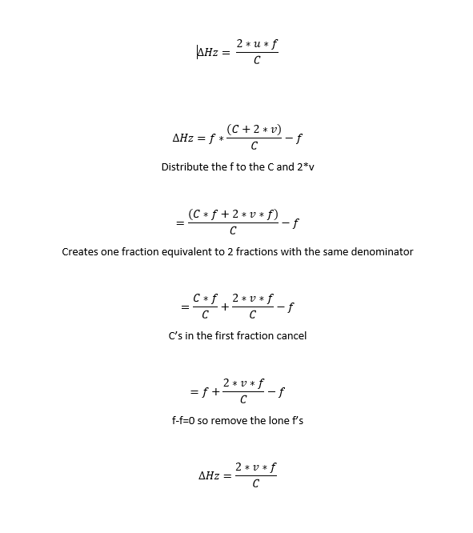
SNR = | Pavg*Gt*Gr*𝜆^2*RCS*INTt |  | Linear
 | (4π^3)*(Range^4)*K*Temp*NF*L

Losses
Estimated losses
 | TX | RX | Combined Est. |  | Notes
HPRF Processing Loss | N/A | ~1 |  | dB | HPRF stadle loss, Quantization loss
HPRF Eclispsing |  | 1 ~ 3 |  | dB | High Duty Cycle only
HPRF Tail aspect Altitude Losses from SLC | N/A | See notes |  | dB | 40kft ~ 10.5dB; 30kft ~14dB; 20kft ~18dB; 10kft ~ 21dB; 5kft ~ 25dB

MPRF and RGH-PRF Losses | N/A | ~11.5 | 11.5 | dB | "At high altitude and nose on, there is more than an 11 dB difference caused by blind zones, straddle, folded clutter, processing and thresholding losses" Radar Handbook Volume 2 5.22
MPRF/RGH Altitude Losses from SLC (in addition to above) | N/A | See notes |  | dB | 40kft ~ 0 dB; 30kft ~ 0.25dB; 20kft ~ 0.5dB; 10kft ~ 1.6dB; 5kft ~ 2.1dB
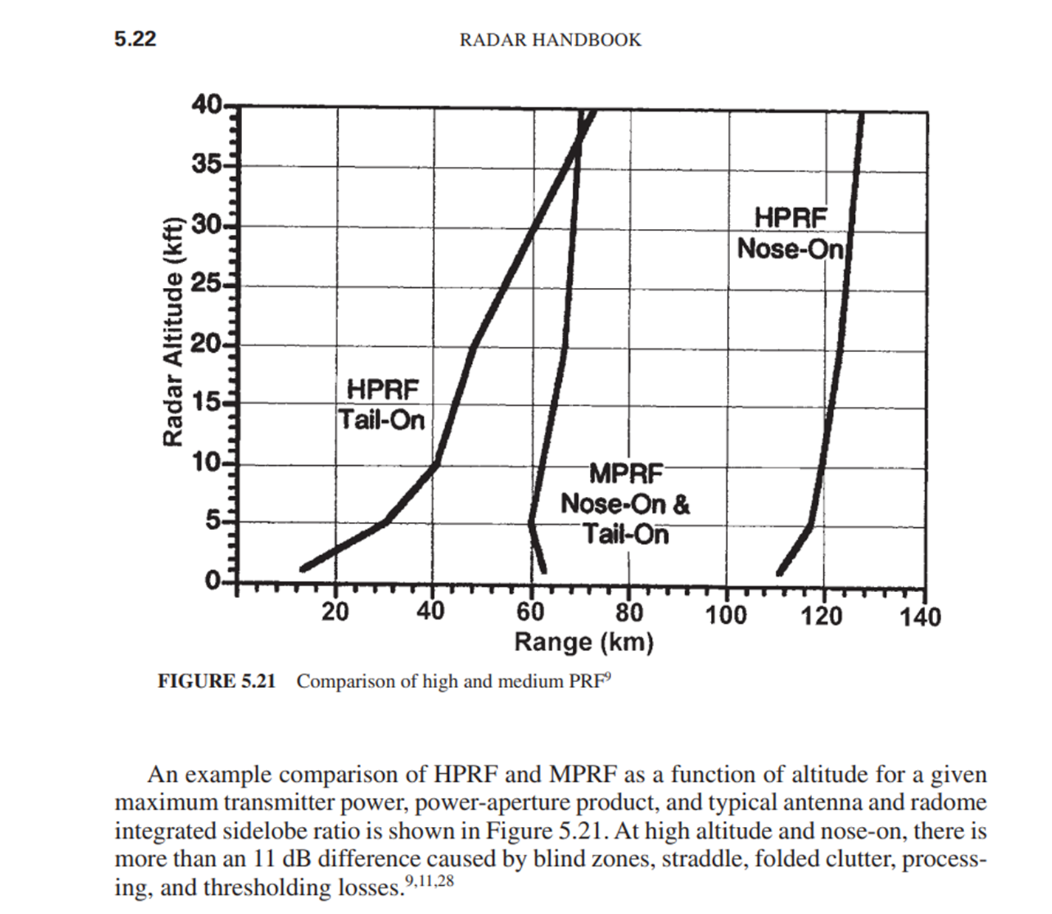
Pulse Compression Loss | N/A |  |  | dB | Need info/data
Radome | 0.5 | 0.5 | 1 | dB
Ant weighting | 0.5 | 0.5 | 1 | dB | AESAs may only use this on Rx
Phase Shifter | 0.4 - 0.55 | 0.4 - 0.55 | 0 | dB | ESA Only
Element Mismatch | 0.3 | 0.3 | 0 | dB | ESA Only
Similarity | 0.3 | 0.3 | 0 | dB | ESA Only
Waveguide | 0.3 - 0.6 | 0.3 - 0.6 | 1 | dB | Very high for PESA and Planar Array | Not seen in AESA
Band Pass Filter | N/A | ~1 | 0.8 | dB
CFAR | N/A | 2 | 2 | dB
Beam Shape loss | N/A | 3 | 3 | dB
Atmospheric | per km | 0.003 | 0.24 | dB | in X band | 80 | km
 |  | Total Loss | 20.54 | dB | "8 - 12 dB of total loss is typical" (ignoring SLC in MPRF)

Enter Data in Yellow Blocks | Only enter data into yellow cells
Green Data is auto Calculated
Blue Data is for Constants

 | ALT | HPRF Nose On | HPRF Tail aspect | MPRF / RGHPRF
 | 40kft | 1.5 | 12 | 11
 | 30kft |  | 15.5 | 11.25
 | 20kft |  | 19.5 | 11.5
 | 10kft |  | 22.5 | 12.6
 | 5kft |  | 26.5 | 13.1

